Sheet1
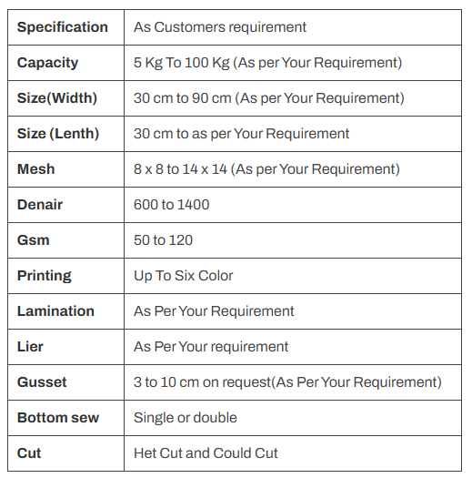
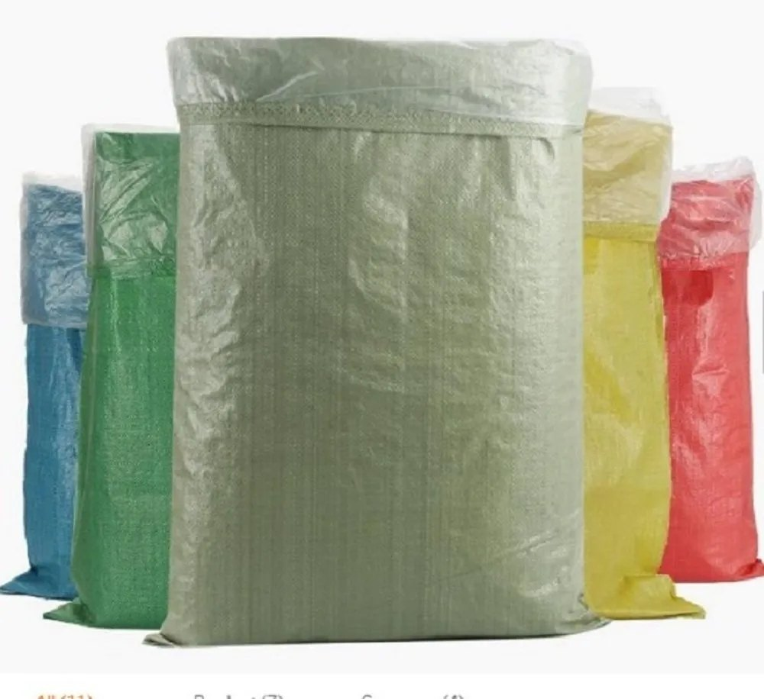
Laminated Polypropylene Woven Fabric: Strength with Added Shield.
Laminated polypropylene woven fabric takes the inherent strengths of regular
PP woven fabric and amplifies them with an additional layer of protection.
This layer, usually composed of polypropylene as well,is applied through a lamination process.

